Map
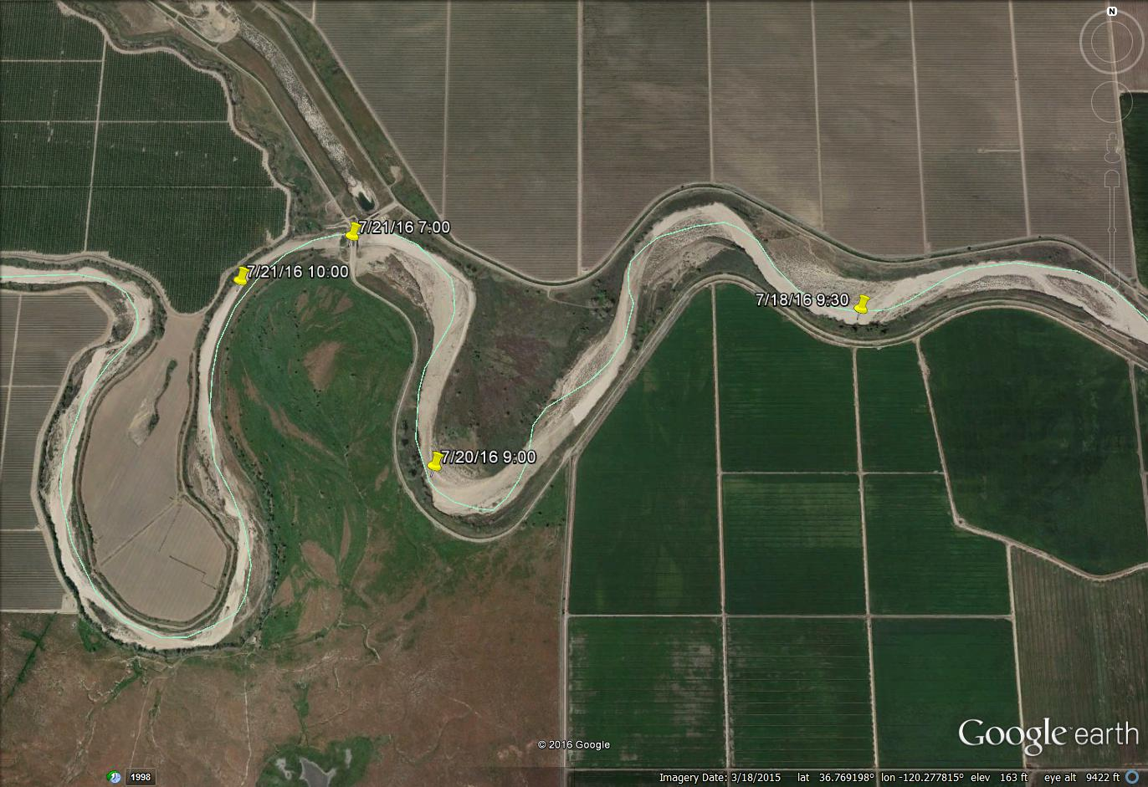
2016 SJRRP FLOWS - SJR Wetting Front Data Source: handheld GPS, Google Earth Image

GRF Hydrograph
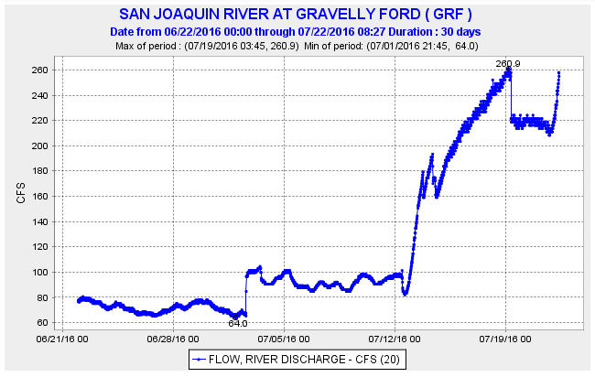
GRF Hydrograph

