summary
San Joaquin River Restoration Program
Summary of 2011 Water and Sediment Monitoring Program

 | Fall 2009 | 2010 | 2011 | Total | Percent

Number of real-time monitoring sites | 20 | 20 | 23
Number of water quality monitoring sites | 11 | 7 | 9
Number of sediment monitoring sites | 10 | 7 | 0

Number of water samples collected | 44 | 55 | 42 | 141
Number of sediment samples collected | 12 | 7 | 0 | 19

Number of lab analyses of water |  |  | 1212 | 6,115
Number of lab analyses of sediment |  |  | 0 | 576

Number of constituents measured in water |  |  | 57 | 219
Number of constituents measured in sediment |  |  | 0 | 57

Number of measureable results in water |  |  | 754 | 2,115
Number of non-detects (below lab detection level) in water |  |  | 452 | 3,994 | 65%

Number of measureable results in sediment |  |  |  | 123
Number of non-detects (below lab detection level) in sediment |  |  |  | 453 | 79%

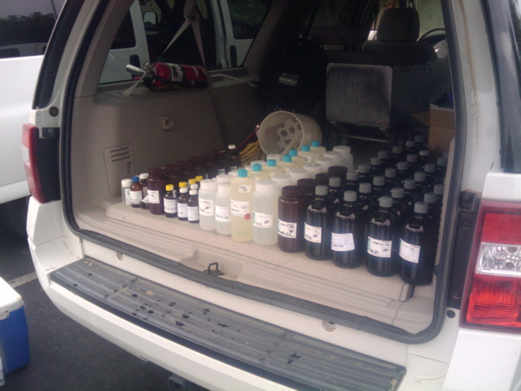

October 6, 2010 Water Samples for four sites (including pesticides).

